Sheet1
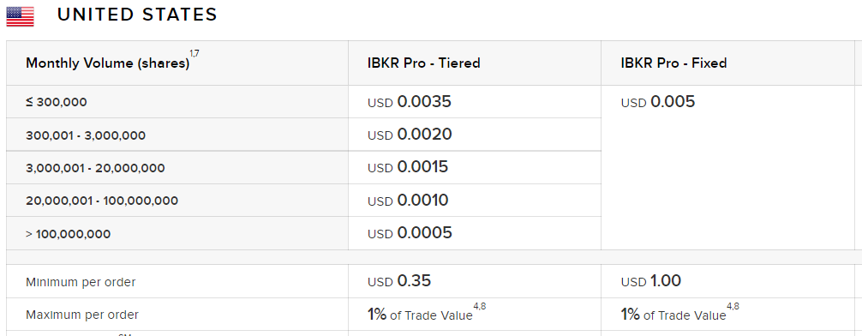
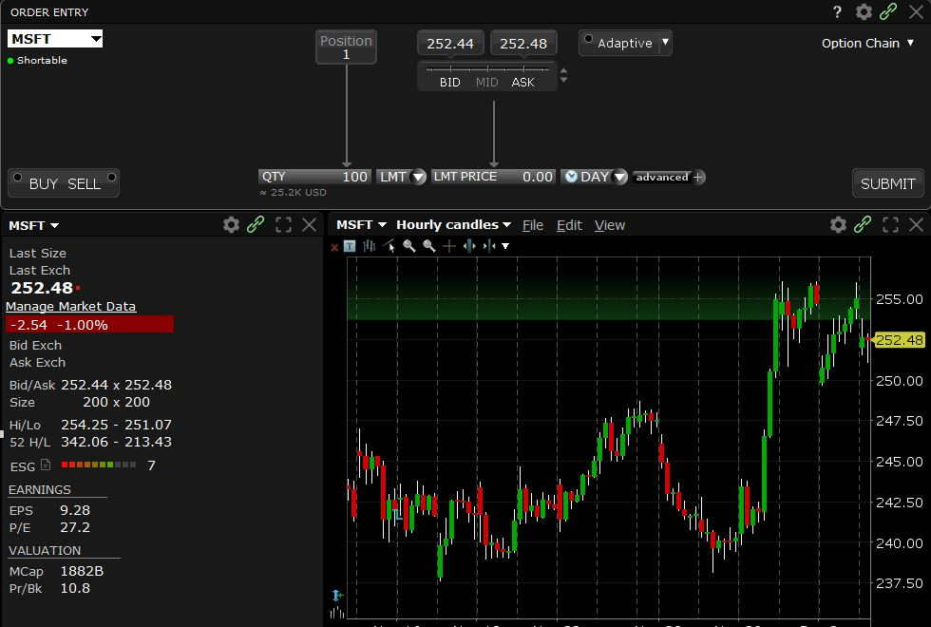
Trading Costs (Exampe: MSFT)

 | Shares | 200 |  | Trade Value | Commission | PTC (in %)
 | Bid Price | $252.44 | Buy | $50,496.00 | $1.00 | 0.0020%
 | Ask Price | $252.48 | Sell | $50,488.00 | $2.18 | 0.0043%
 | Mid Price | $252.46
 | Bid-Ask-Spread | $0.04
 | Comm. per Share | $0.005 |  |  | Hidden Costs | PTC (in %)
 | Min per Order | $1.0 | Full Trade | -$8.00 | $8.00 |  | Spread Costs
 | Max per Order | 1.0% | Per Trade | -$4.00 | $4.00 | 0.0079% | Half Spread Costs
 | SEC Fee (Sell) | $0.000023
 | FINRA Fee (sell) | $0.000130
 |  |  | Total Trading Costs (per Trade) |  | $5.59 | 0.0111%

